How to Use Time Table
Before going further please learn how to enable micro

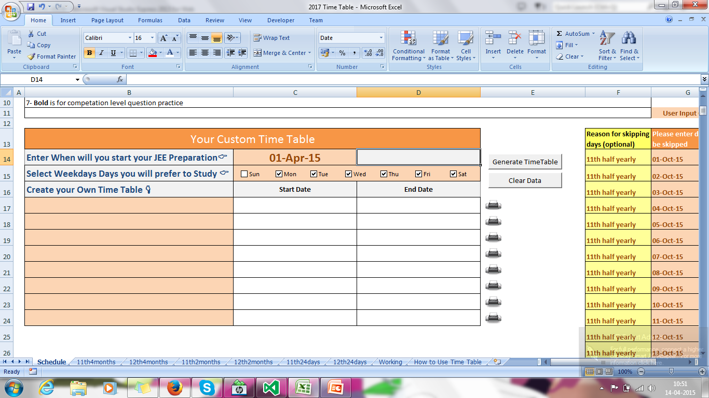
Please Enter a Date your will Start your Preparation
 | Go Back to Home Page

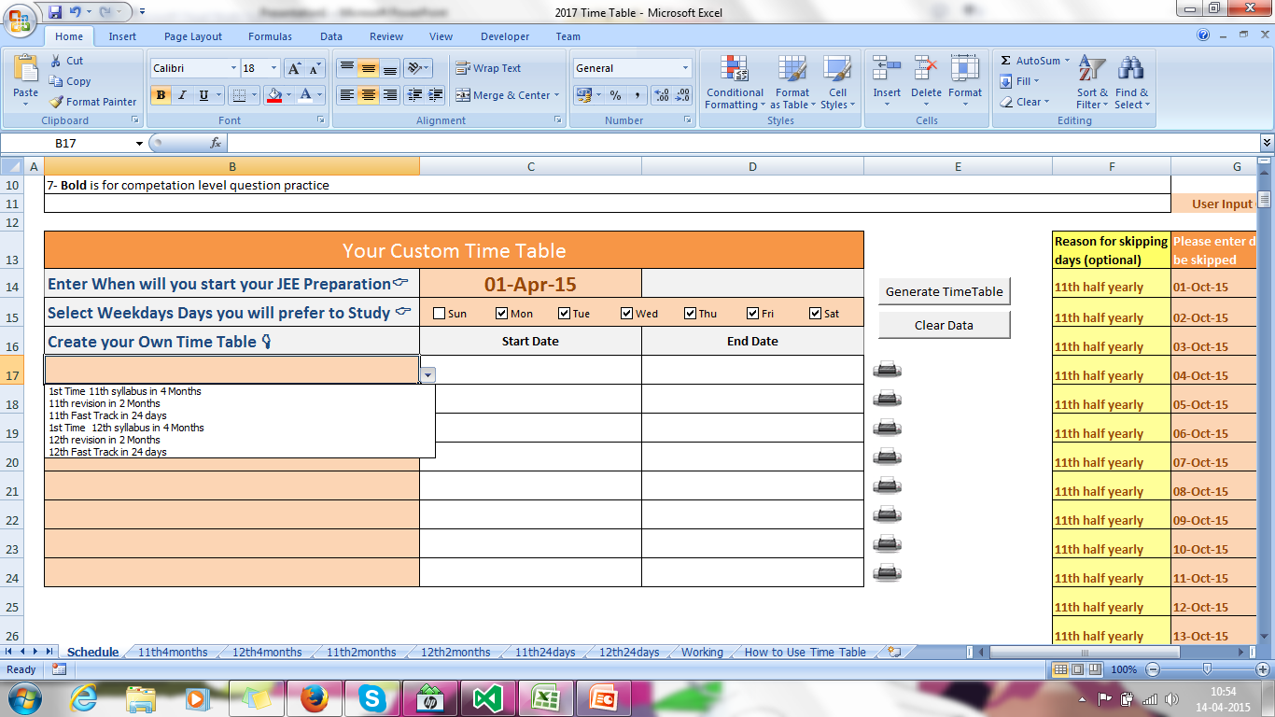
Please select what you wish to study.

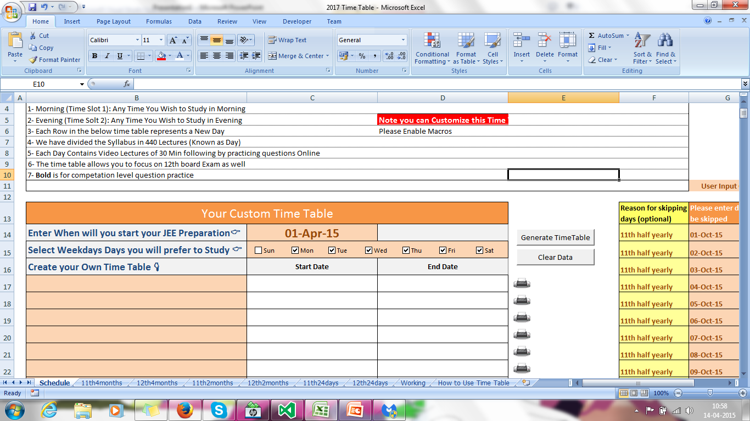
Mention (Check) the week days you wish to study

Please mention the days you will skip (Ex exam time, functions, Etc).

Note you can add this later also just remember to click Generate Time Table after you add

You are almost Done Click on Generate Time Table
Once the Time Table is ready you can take the printout of your time table

Enable Macros
 | Steps to follow to enable micros |  |  | Back to Home Page
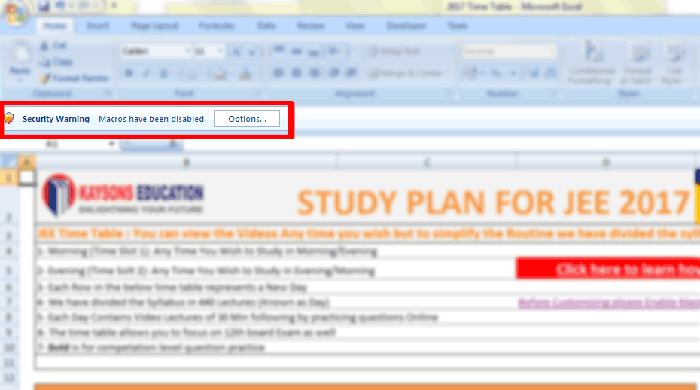
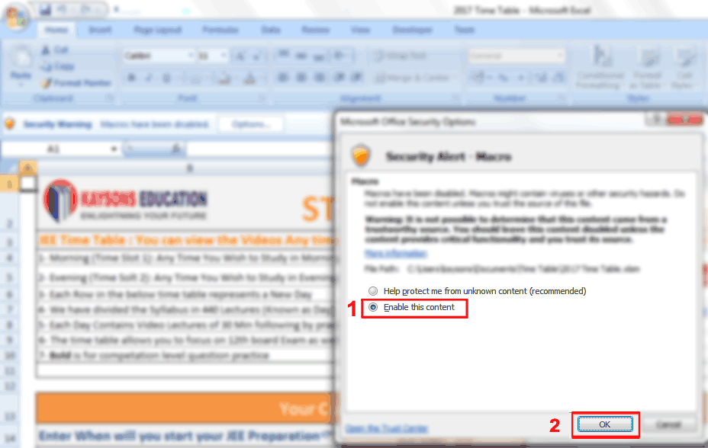

1. Click on Options you see on Top |  |  | 2. Select "Enable the content" click "OK"

If you have not received the Notification Like in above please follow the following steps

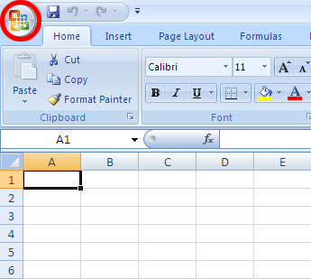
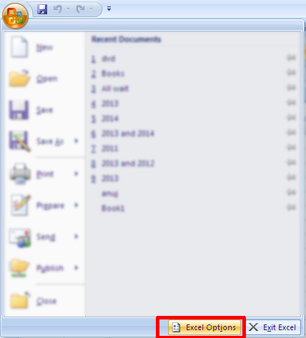
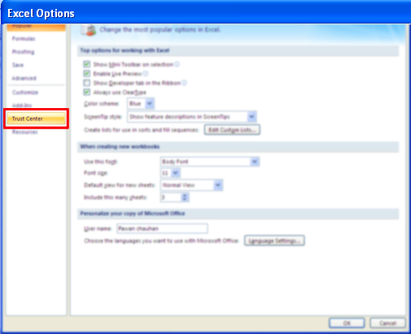

1. Click the Microsoft Office Button |  | 2. then click Excel Options | 3. Click Trust Center
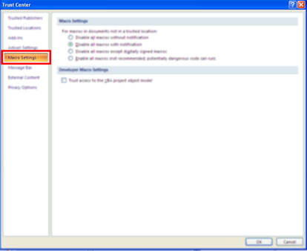
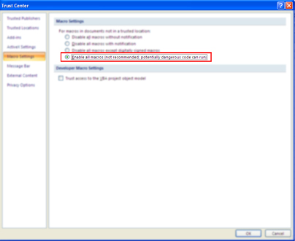
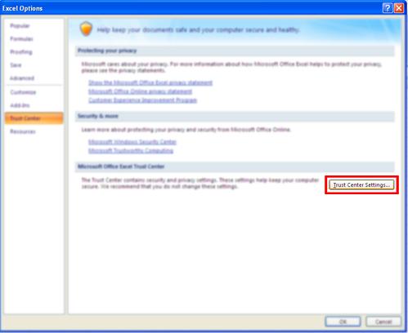
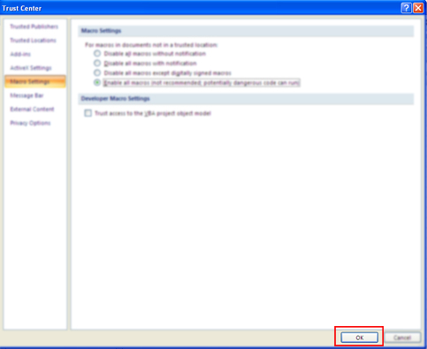

4. click Trust Center Settings |  | 5. click Macro Settings. | 6. Select Enable All Macros |  | 7. Click Ok. Save and restart File

